Resources
 | Resources

Bloomberg

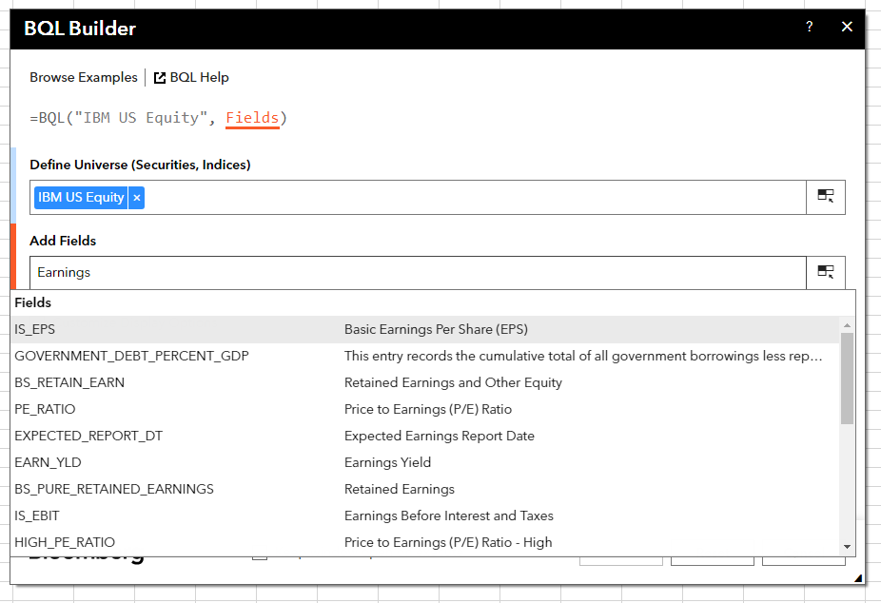
 | Bloomberg Ribbon: BQL Builder + BQL Query Editor
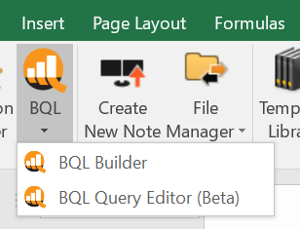

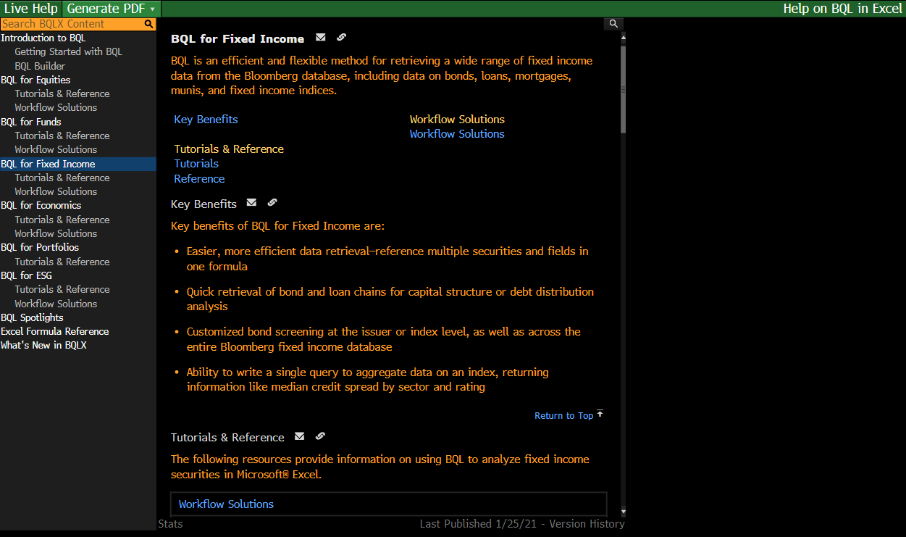
 | BQLX <GO> for HELP Page

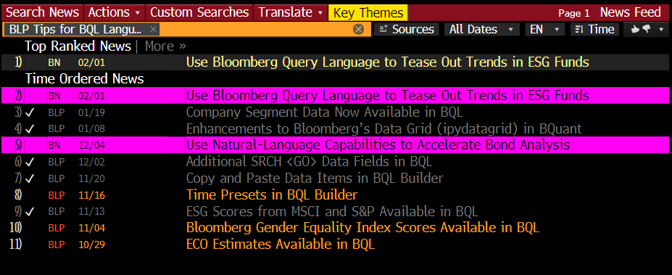
 | NI BLPBQL <GO>
 | Please subscribe it from "Actions" at the top -> Set Alert Delivery

